Very Busy Expressions
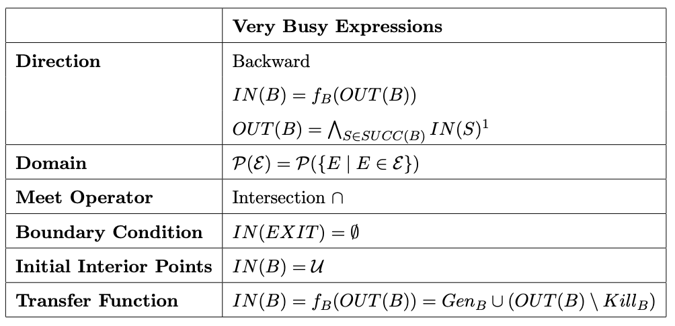
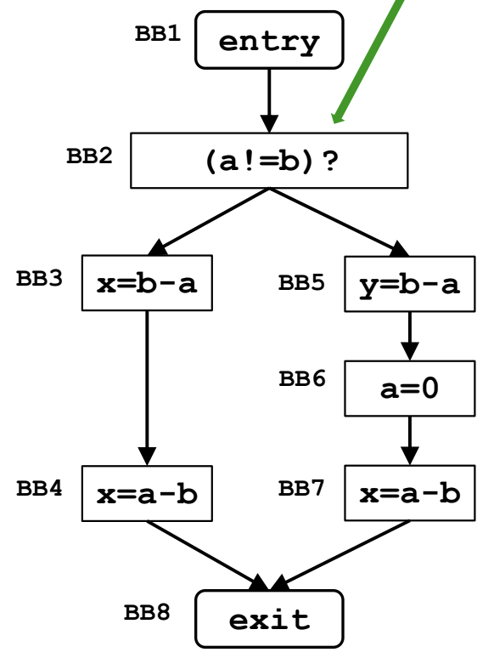
Basic block |  |  | Iterazione 1 |  |  |  | Iterazione 2
Statements | Label | Initial IN | OUT | GEN | KILL | IN | OUT | GEN | KILL | IN
EXIT | exit | {} | N/D | {} | {} | {} | N/D | {} | {} | {}
x = a - b | BB7 | U | {} | {a-b} | {} | {a-b} | {} | {a-b} | {} | {a-b}
a = 0 | BB6 | U | {a-b} | {} | {a-b, b-a, a!=b} | {} | {a-b} | {} | {a-b, b-a, a!=b} | {}
y = b - a | BB5 | U | {} | {b-a} | {} | {b-a} | {} | {b-a} | {} | {b-a}
x = a - b | BB4 | U | {} | {a-b} | {} | {a-b} | {} | {a-b} | {} | {a-b}
x = b - a | BB3 | U | {a-b} | {b-a} | {} | {a-b, b-a} | {a-b} | {b-a} | {} | {a-b, b-a}
if(t) | BB2(if) | U | {b-a} | {} | {} | {b-a} | {b-a} | {} | {} | {b-a}
t = (a!=b) | BB2(t) | U | {b-a} | {a!=b} | {} | {b-a, a!=b} | {b-a} | {a!=b} | {} | {b-a, a!=b}
ENTRY | entry | U | {b-a, a!=b} | {} | {} | {b-a, a!=b} | {b-a, a!=b} | {} | {} | {b-a, a!=b}
Note: The algorithm terminates at the end of Iteration 2 because there were no changes in the sets, meaning new IN(B) = old IN(B) for every B, confirming that a fixed point has been reached.

Dominator Analysis
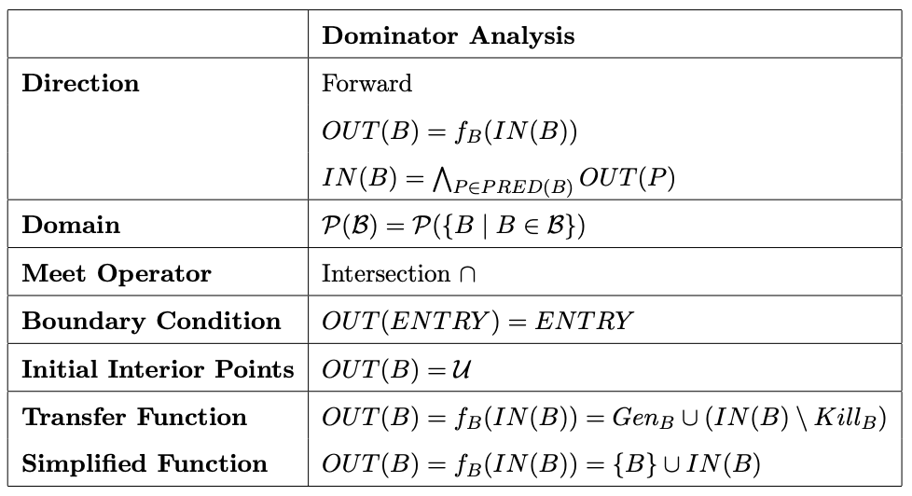
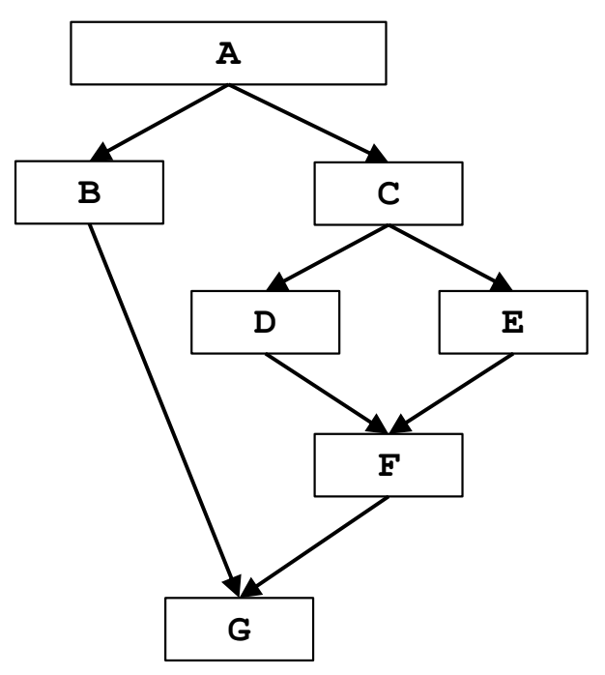
Note: the first step of the every iteration is already comprehended in the framework by considering the boundary condition. Here is reporter for clarity, but it could be avoided
Basic block |  |  | Iterazione 1 |  |  |  | Iterazione 1
Statements | Label | Initial OUT | IN | GEN | KILL | OUT | IN | GEN | KILL | OUT
A | A | {A} | {} | {A} | {} | {A} | {} | {A} | {} | {A}
B | B | U | {A} | {B} | {} | {A,B} | {A} | {B} | {} | {A,B}
C | C | U | {A} | {C} | {} | {A,C} | {A} | {C} | {} | {A,C}
D | D | U | {A,C} | {D} | {} | {A,C,D} | {A,C} | {D} | {} | {A,C,D}
E | E | U | {A,C} | {E} | {} | {A,C,E} | {A,C} | {E} | {} | {A,C,E}
F | F | U | {A,C} | {F} | {} | {A,C,F} | {A,C} | {F} | {} | {A,C,F}
G | G | U | {A} | {G} | {} | {A,G} | {A} | {G} | {} | {A,G}
Note: The algorithm terminates at the end of Iteration 2 because there were no changes in the sets, meaning new OUT(B) = old OUT(B) for every B, confirming that a fixed point has been reached.

Constant Propagation
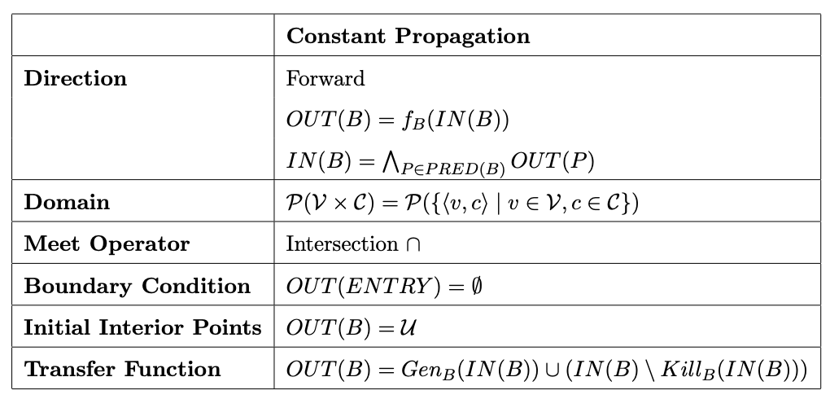
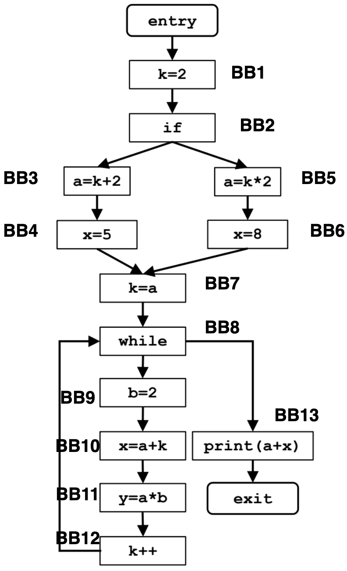
Basic block |  |  | Iterazione 1 |  |  |  | Iterazione 2 |  |  |  | Iterazione 3
Statements | Label | Initial OUT | IN | GEN | KILL | OUT | IN | GEN | KILL | OUT | IN | GEN | KILL | OUT
ENTRY | entry | {} | N/D | {} | {} | {} | N/D | {} | {} | {} | N/D | {} | {} | {}
k = 2 | BB1 | U | {} | {<k, 2>} | {<k, C>} | {<k, 2>} | {} | {<k, 2>} | {<k, C>} | {<k, 2>} | {} | {<k, 2>} | {<k, C>} | {<k, 2>}
if | BB2 | U | {<k, 2>} | {} | {} | {<k, 2>} | {<k, 2>} | {} | {} | {<k, 2>} | {<k, 2>} | {} | {} | {<k, 2>}
a = k + 2 | BB3 | U | {<k, 2>} | {<a, 4>} | {<a, C>} | {<k, 2>, <a, 4>} | {<k, 2>} | {<a, 4>} | {<a, C>} | {<k, 2>, <a, 4>} | {<k, 2>} | {<a, 4>} | {<a, C>} | {<k, 2>, <a, 4>}
x = 5 | BB4 | U | {<k, 2>, <a, 4>} | {<x, 5>} | {<x, C>} | {<k, 2>, <a, 4>, <x, 5>} | {<k, 2>, <a, 4>} | {<x, 5>} | {<x, C>} | {<k, 2>, <a, 4>, <x, 5>} | {<k, 2>, <a, 4>} | {<x, 5>} | {<x, C>} | {<k, 2>, <a, 4>, <x, 5>}
a = k * 2 | BB5 | U | {<k, 2>} | {<a, 4>} | {<a, C>} | {<k, 2>, <a, 4>} | {<k, 2>} | {<a, 4>} | {<a, C>} | {<k, 2>, <a, 4>} | {<k, 2>} | {<a, 4>} | {<a, C>} | {<k, 2>, <a, 4>}
x = 8 | BB6 | U | {<k, 2>, <a, 4>} | {<x, 8>} | {<x, C>} | {<k, 2>, <a, 4>, <x, 8>} | {<k, 2>, <a, 4>} | {<x, 8>} | {<x, C>} | {<k, 2>, <a, 4>, <x, 8>} | {<k, 2>, <a, 4>} | {<x, 8>} | {<x, C>} | {<k, 2>, <a, 4>, <x, 8>}
k = a | BB7 | U | {<k, 2>, <a, 4>} | {<k, 4>} | {<k, C>} | {<k, 4>, <a, 4>} | {<k, 2>, <a, 4>} | {<k, 4>} | {<k, C>} | {<k, 4>, <a, 4>} | {<k, 2>, <a, 4>} | {<k, 4>} | {<k, C>} | {<k, 4>, <a, 4>}
while | BB8 | U | {<k, 4>, <a, 4>} | {} | {} | {<k, 4>, <a, 4>} | {<a, 4>} | {} | {} | {<a, 4>} | {<a, 4>} | {} | {} | {<a, 4>}
b = 2 | BB9 | U | {<k, 4>, <a, 4>} | {<b, 2>} | {<b, C>} | {<k, 4>, <a, 4>, <b, 2>} | {<a, 4>} | {<b, 2>} | {<b, C>} | {<a, 4>, <b, 2>} | {<a, 4>} | {<b, 2>} | {<b, C>} | {<a, 4>, <b, 2>}
x = a + k | BB10 | U | {<k, 4>, <a, 4>, <b, 2>} | {<x, 8>} | {<x, C>} | {<k, 4>, <a, 4>, <b, 2>, <x, 8>} | {<a, 4>, <b, 2>} | {} | {<x, C>} | {<a, 4>, <b, 2>} | {<a, 4>, <b, 2>} | {} | {<x, C>} | {<a, 4>, <b, 2>}
y = a * b | BB11 | U | {<k, 4>, <a, 4>, <b, 2>, <x, 8>} | {<y, 8>} | {<y, C>} | {<k, 4>, <a, 4>, <b, 2>, <x, 8>, <y, 8>} | {<a, 4>, <b, 2>} | {<y, 8>} | {<y, C>} | {<a, 4>, <b, 2>, <y, 8>} | {<a, 4>, <b, 2>} | {<y, 8>} | {<y, C>} | {<a, 4>, <b, 2>, <y, 8>}
k++ | BB12 | U | {<k, 4>, <a, 4>, <b, 2>, <x, 8>, <y, 8>} | {<k, 5>} | {<k, C>} | {<a, 4>, <b, 2>, <x, 8>, <y, 8>, <k, 5>} | {<a, 4>, <b, 2>, <y, 8>} | {} | {<k, C>} | {<a, 4>, <b, 2>, <y, 8>} | {<a, 4>, <b, 2>, <y, 8>} | {} | {<k, C>} | {<a, 4>, <b, 2>, <y, 8>}
print(a + x) | BB13 | U | {<k, 4>, <a, 4>} | {} | {} | {<k, 4>, <a, 4>} | {<a, 4>} | {} | {} | {<a, 4>} | {<a, 4>} | {} | {} | {<a, 4>}
EXIT | exit | U | {<k, 4>, <a, 4>} | {} | {} | N/D | {<a, 4>} | {} | {} | N/D | {<a, 4>} | {} | {} | N/D

